Test case#4
 | Test Case ID | 4
 | Test Case Title | Form: Buttons
 | Test Case Objective | Buttons

 | Test script:
 | Precondition
 | User has opened the app

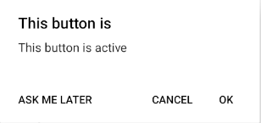
№ | Step | Data | Expected result
1 | Click on the "Forms" |  | "Form components" visible
2 | Click on "Active" button in the bottom of the page |  | Popup menu is shown:
3 | Click on "Inactive" button |  | See if it's really incative. Popup is absent
4

Test case#5
 | Test Case ID | 5
 | Test Case Title | Login: Sign In
 | Test Case Objective | Sign In

 | Test script:
 | Precondition
 | User has opened the app

№ | Step | Data | Expected result
1 | Click on the "Login" |  | "Login / Sign up Form" visible
2 | Click on "Sign Up" |  | "Email", "Password", "Confirm password" input fields are visible
3 | Enter an email |  | Email is entered
4 | Enter a password |  | Password is entered and shown as dots
5 | Enter password again |  | Password is entered again and shown as dots
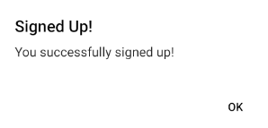
6 | Click on "Sign up" button in the bottom of the page |  | Popup menu is shown:

